サンプル製品カタログ
 |  | ITEM
NAME | color |  | lady's or men's | WOVEN or KNIT | picture | Composition | packingNo.
lady's satin pants CLOTHES | C/#GRAY | lady's satin pants CLOTHES | lady's | WOVEN FABRIC | 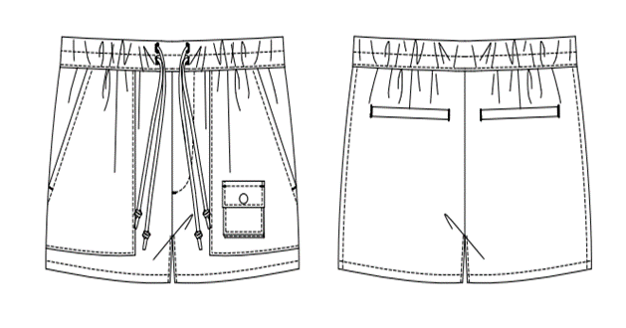 | FRONT COTTON 100% | 3

